Figure 1&2
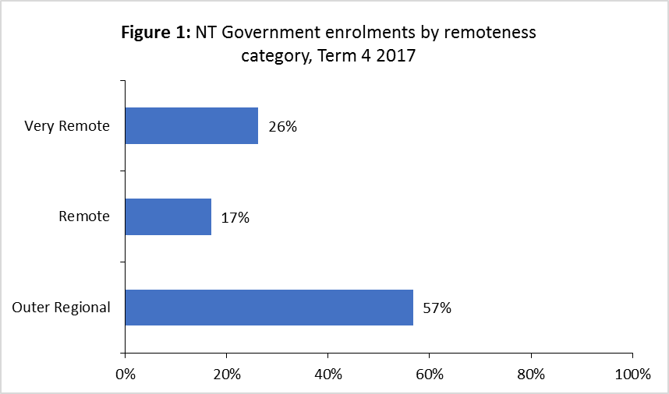

Figure 2: NT Government enrolments by region, Term 4 2017
Alice Springs Region | 0.12980103239
Arnhem Region | 0.10432651628
Barkly Region | 0.048405288404
Darwin Region | 0.34133078794
Katherine Region | 0.11185628044
Palmerston And Rural Region | 0.26428009454

